Dashboard 1
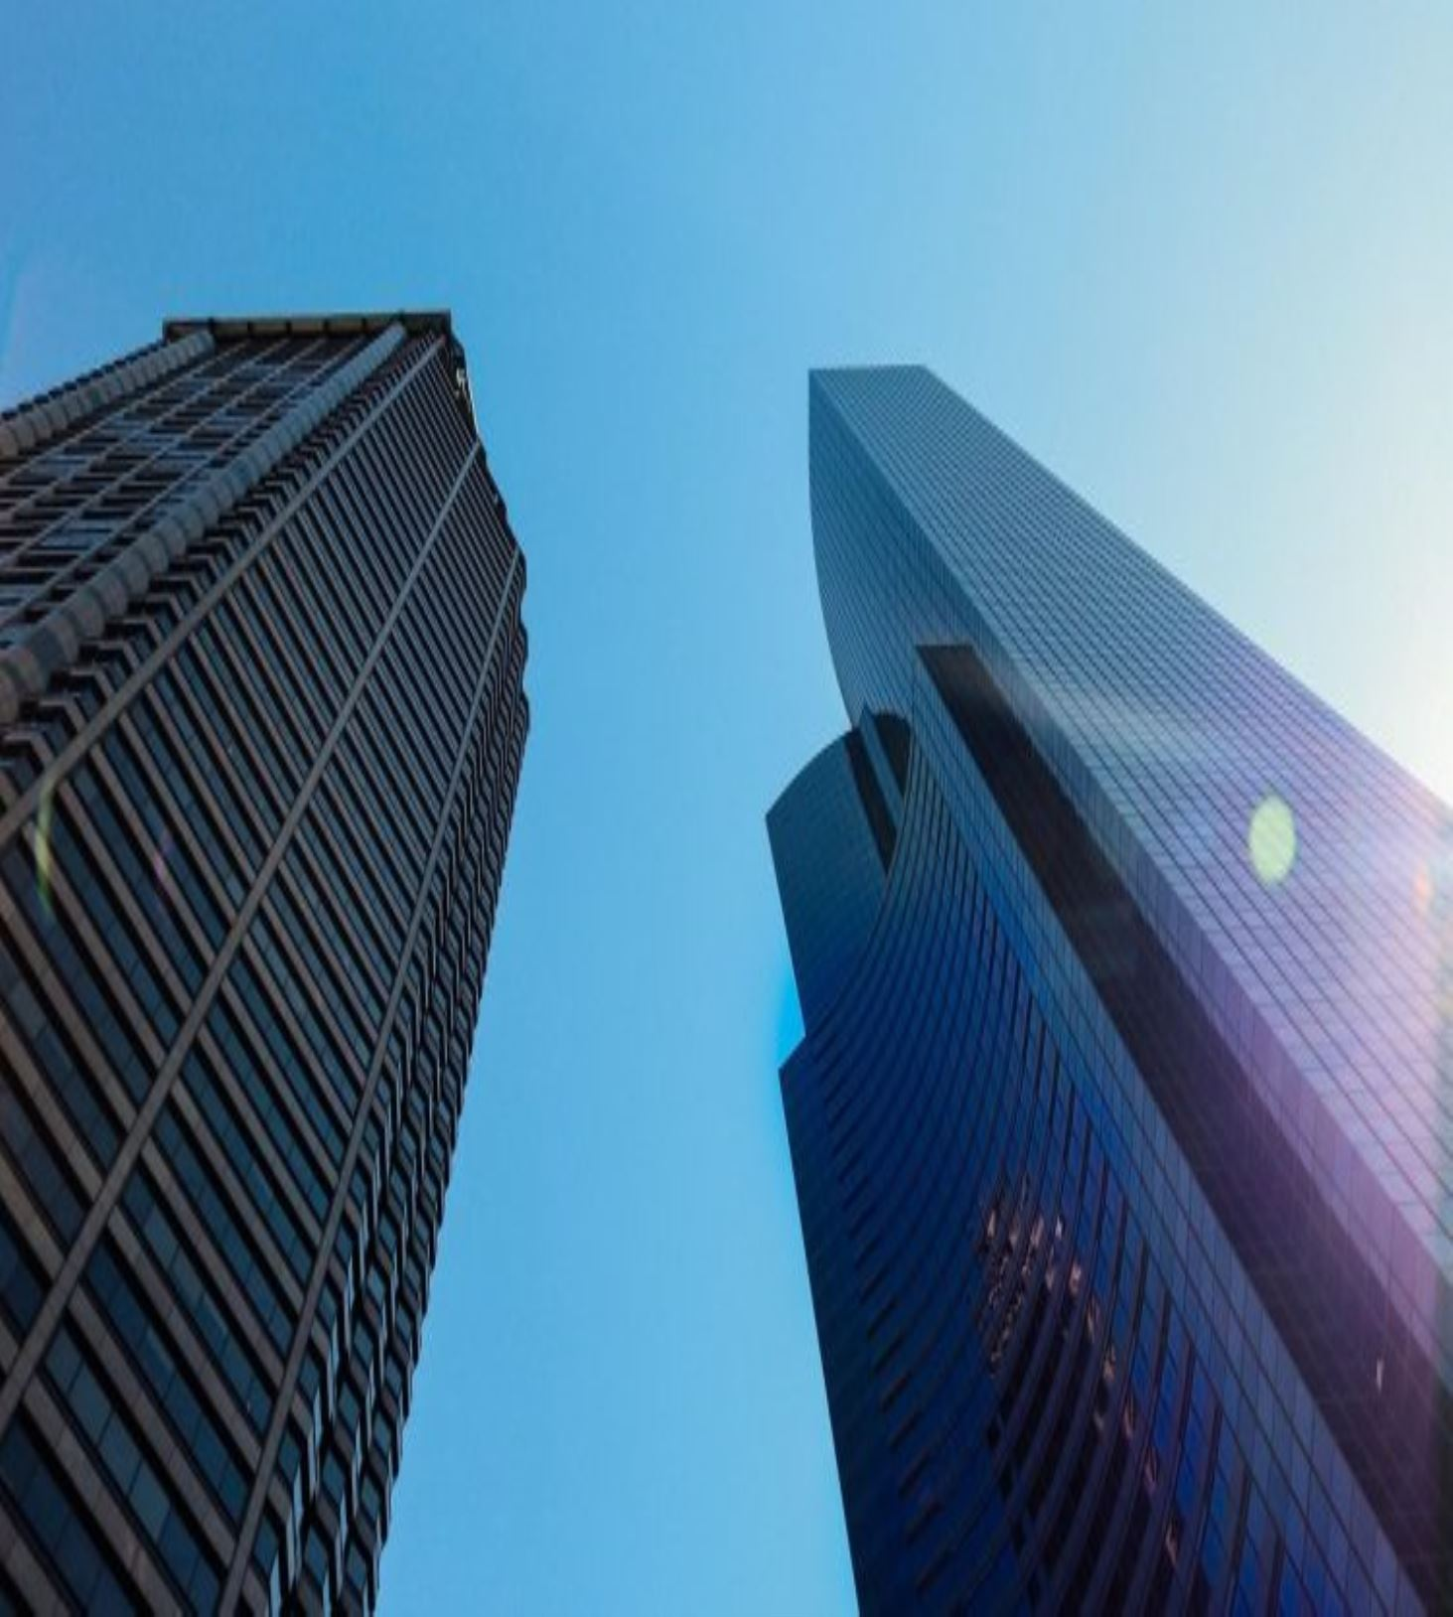
Sales and Profit Dashboard for Office Products purchased between the years 2014 - 2017

Sales by Year
 | Total
2014 | 484247.4981
2015 | 470532.509
2016 | 609205.598
2017 | 733215.2552
Sales by Region
 | Total
Central | 501239.8908
East | 678781.24
South | 391721.905
West | 725457.8245

Sales and Profit by States
 | Sum of Sales | Sum of Profit
Alabama | 19510.64 | 5786.8253
Arizona | 35282.001 | -3427.9246
Arkansas | 11678.13 | 4008.6871
California | 457687.6315 | 76381.3871
Colorado | 32108.118 | -6527.8579
Connecticut | 13384.357 | 3511.4918
Delaware | 27451.069 | 9977.3748
District of Columbia | 2865.02 | 1059.5893
Florida | 89473.708 | -3399.3017
Georgia | 49095.84 | 16250.0433
Idaho | 4382.486 | 826.7231
Illinois | 80166.101 | -12607.887
Indiana | 53555.36 | 18382.9363
Iowa | 4579.76 | 1183.8119
Kansas | 2914.31 | 836.4435
Kentucky | 36591.75 | 11199.6966
Louisiana | 9217.03 | 2196.1023
Maine | 1270.53 | 454.4862
Maryland | 23705.523 | 7031.1788
Massachusetts | 28634.434 | 6785.5016
Michigan | 76269.614 | 24463.1876
Minnesota | 29863.15 | 10823.1874
Mississippi | 10771.34 | 3172.9762
Missouri | 22205.15 | 6436.2105
Montana | 5589.352 | 1833.3285
Nebraska | 7464.93 | 2037.0942
Nevada | 16729.102 | 3316.7659
New Hampshire | 7292.524 | 1706.5028
New Jersey | 35764.312 | 9772.9138
New Mexico | 4783.522 | 1157.1161
New York | 310876.271 | 74038.5486
North Carolina | 55603.164 | -7490.9122
North Dakota | 919.91 | 230.1497
Ohio | 78258.136 | -16971.3766
Oklahoma | 19683.39 | 4853.956
Oregon | 17431.15 | -1190.4705
Pennsylvania | 116511.914 | -15559.9603
Rhode Island | 22627.956 | 7285.6293
South Carolina | 8481.71 | 1769.0566
South Dakota | 1315.56 | 394.8283
Tennessee | 30661.873 | -5341.6936
Texas | 170188.0458 | -25729.3563
Utah | 11220.056 | 2546.5335
Vermont | 8929.37 | 2244.9783
Virginia | 70636.72 | 18597.9504
Washington | 138641.27 | 33402.6517
West Virginia | 1209.824 | 185.9216
Wisconsin | 32114.61 | 8401.8004
Wyoming | 1603.136 | 100.196
Sales, Profit and Quantity by Category of Items
 | Sum of Sales | Sum of Profit | Sum of Quantity
Furniture | 741999.7953 | 18451.2728 | 8028
Office Supplies | 719047.032 | 122490.8008 | 22906
Technology | 836154.033 | 145454.9481 | 6939

Sales and Profit by sub category of Items
 | Sum of Sales | Sum of Profit
Accessories | 167380.318 | 41936.6357
Appliances | 107532.161 | 18138.0054
Art | 27118.792 | 6527.787
Binders | 203412.733 | 30221.7633
Bookcases | 114879.9963 | -3472.556
Chairs | 328449.103 | 26590.1663
Copiers | 149528.03 | 55617.8249
Envelopes | 16476.402 | 6964.1767
Fasteners | 3024.28 | 949.5182
Furnishings | 91705.164 | 13059.1436
Labels | 12486.312 | 5546.254
Machines | 189238.631 | 3384.7569
Paper | 78479.206 | 34053.5693
Phones | 330007.054 | 44515.7306
Storage | 223843.608 | 21278.8264
Supplies | 46673.538 | -1189.0995
Tables | 206965.532 | -17725.4811

Sales and Profit by Products
 | Sum of Sales | Sum of Profit
"While you Were Out" Message Book, One Form per Page | 25.228 | 10.388
#10- 4 1/8" x 9 1/2" Recycled Envelopes | 286.672 | 115.2806
#10- 4 1/8" x 9 1/2" Security-Tint Envelopes | 146.688 | 64.8636
#10 Gummed Flap White Envelopes, 100/Box | 41.3 | 16.7678
#10 Self-Seal White Envelopes | 108.682 | 52.123
#10 White Business Envelopes,4 1/8 x 9 1/2 | 488.904 | 223.1408
#10-4 1/8" x 9 1/2" Premium Diagonal Seam Envelopes | 176.288 | 63.747
#6 3/4 Gummed Flap White Envelopes | 71.28 | 24.948
1.7 Cubic Foot Compact "Cube" Office Refrigerators | 2706.08 | 578.6848
1/4 Fold Party Design Invitations & White Envelopes, 24 8-1/2" X 11" Cards, 25 Env./Pack | 49.98 | 22.7115
12 Colored Short Pencils | 18.2 | 3.016
12-1/2 Diameter Round Wall Clock | 551.448 | 91.1088
14-7/8 x 11 Blue Bar Computer Printout Paper | 422.752 | 172.944
2300 Heavy-Duty Transfer File Systems by Perma | 344.724 | 20.9832
24 Capacity Maxi Data Binder Racks, Pearl | 3537.24 | 536.9025
24-Hour Round Wall Clock | 487.512 | 180.0198
3.6 Cubic Foot Counter Height Office Refrigerator | 2946.2 | -872.0752
36X48 HARDFLOOR CHAIRMAT | 369.248 | -40.4914
3D Systems Cube Printer, 2nd Generation, Magenta | 14299.89 | 3717.9714
3D Systems Cube Printer, 2nd Generation, White | 2339.982 | -467.9964
3M Hangers With Command Adhesive | 108.04 | 36.001
3M Office Air Cleaner | 259.8 | 90.93
3M Organizer Strips | 83.16 | 10.152
3M Polarizing Light Filter Sleeves | 216.34 | 75.346
3M Polarizing Task Lamp with Clamp Arm, Light Gray | 2191.68 | 569.8368
3M Replacement Filter for Office Air Cleaner for 20' x 33' Room | 303.36 | -20.4768
3-ring staple pack | 42.112 | 16.6944
4009 Highlighters | 8.04 | 2.7336
4009 Highlighters by Sanford | 171.14 | 53.8096
50 Colored Long Pencils | 138.176 | 32.9184
6" Cubicle Wall Clock, Black | 124.586 | 26.2116
9-3/4 Diameter Round Wall Clock | 455.07 | 183.1312
Aastra 57i VoIP phone | 3684.708 | 575.3316
Aastra 6757i CT Wireless VoIP phone | 2929.984 | 482.5856
Acco 3-Hole Punch | 137.532 | 55.5384
Acco 6 Outlet Guardian Basic Surge Suppressor | 38.272 | -3.6608
Acco 6 Outlet Guardian Premium Plus Surge Suppressor | 289.456 | -113.7672
Acco 6 Outlet Guardian Premium Surge Suppressor | 432.432 | 60.424
Acco 6 Outlet Guardian Standard Surge Suppressor | 149.916 | 22.971
Acco 7-Outlet Masterpiece Power Center, Wihtout Fax/Phone Line Protection | 3039.5 | 401.214
Acco Banker's Clasps, 5 3/4"-Long | 40.896 | 18
Acco Clips to Go Binder Clips, 24 Clips in Two Sizes | 66.03 | 30.2815
Acco Data Flex Cable Posts For Top & Bottom Load Binders, 6" Capacity | 287.868 | 64.1445
Acco D-Ring Binder w/DublLock | 235.18 | -102.8378
Acco Economy Flexible Poly Round Ring Binder | 11.484 | -5.742
Acco Expandable Hanging Binders | 38.918 | 1.0208
Acco Flexible ACCOHIDE Square Ring Data Binder, Dark Blue, 11 1/2" X 14" 7/8" | 410.004 | 111.2868
Acco Four Pocket Poly Ring Binder with Label Holder, Smoke, 1" | 122.18 | 7.45
Acco Glide Clips | 19.6 | 9.604
Acco Hanging Data Binders | 41.91 | 8.2296
...
Sales and Profit by customer
 | Sum of Sales | Sum of Profit
Aaron Bergman | 886.156 | 129.3465
Aaron Hawkins | 1744.7 | 365.2152
Aaron Smayling | 3050.692 | -253.5746
Adam Bellavance | 7755.62 | 2054.5885
Adam Hart | 3250.337 | 281.189
Adam Shillingsburg | 3255.31 | 64.5374
Adrian Barton | 14473.571 | 5444.8055
Adrian Hane | 1735.514 | -2.3146
Adrian Shami | 58.82 | 21.8496
Aimee Bixby | 966.71 | 313.6597
Alan Barnes | 1113.838 | 220.813
Alan Dominguez | 6106.88 | 1869.9294
Alan Haines | 1587.452 | -378.5509
Alan Hwang | 4805.344 | 1308.5546
Alan Schoenberger | 4260.784 | 719.7751
Alan Shonely | 584.608 | 33.7158
Alejandro Ballentine | 914.532 | 264.5675
Alejandro Grove | 2582.898 | 732.7399
Alejandro Savely | 3214.236 | 354.6276
Aleksandra Gannaway | 367.548 | 59.2884
Alex Avila | 5563.56 | -362.8825
Alex Grayson | 660.972 | -5.1371
Alex Russell | 1055.694 | -221.0544
Alice McCarthy | 814.012 | 194.9878
Allen Armold | 1056.39 | 277.3824
Allen Goldenen | 200.945 | 69.2784
Allen Rosenblatt | 2236.128 | -98.7646
Alyssa Crouse | 925.8 | -62.1342
Alyssa Tate | 1171.814 | 100.8768
Amy Cox | 5527.846 | 1366.0098
Amy Hunt | 2495.3916 | -196.1201
Andrew Allen | 1790.512 | 435.8274
Andrew Gjertsen | 2356.855 | 295.6668
Andrew Roberts | 264.864 | 43.6695
Andy Gerbode | 1455.038 | -152.7613
Andy Reiter | 6608.448 | 2884.6208
Andy Yotov | 497.014 | 103.3499
Anemone Ratner | 88.15 | 32.633
Angele Hood | 738.504 | 83.963
Ann Blume | 1515.862 | -274.9604
Ann Chong | 2537.686 | 298.8273
Ann Steele | 833.398 | 136.4919
Anna Andreadi | 5086.935 | 857.8033
Anna Chung | 657.316 | -28.7004
Anna Gayman | 3489.0396 | -246.4257
Anna Häberlin | 7888.294 | 1298.0166
Anne McFarland | 5664.022 | 1085.7326
Anne Pryor | 1638.554 | 285.7888
Annie Thurman | 3831.864 | 974.107
Annie Zypern | 1622.018 | 154.9503
...

